Mainworld Survey
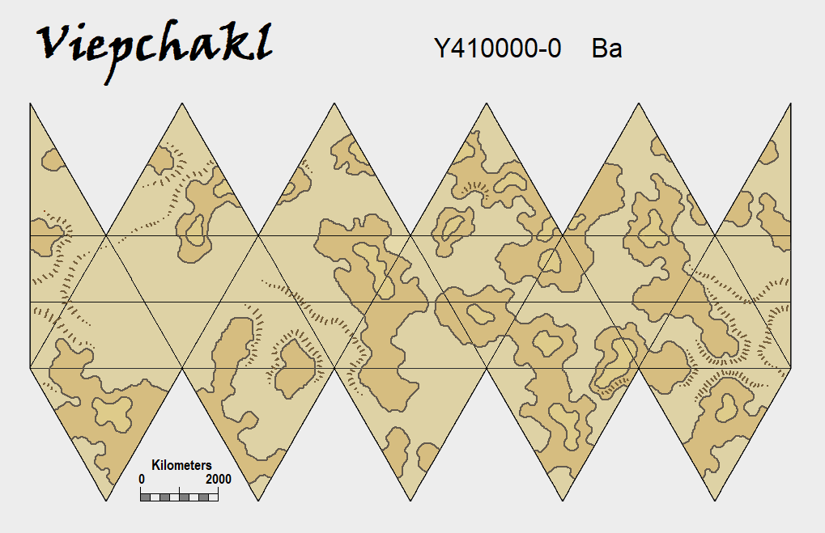
World: | Zhdant | UWP: | A6547C8-F Ag | Sector: | Qaval
Primary: | Pliebr | System Age (Gy): | 3.41 | Travel Zone: | Green

Orbit: | 2.1 | Notes:
AU: | 0.77 | Axial Tilt: | 0.314 | radians
Eccentricity: | 0.050 |  | 18 | degrees
Period: | 274.04

Size: | Diameter | Composition | Density | Gravity | Mass | Esc v (kps) | Size
 | 9620 | rock and metal | 1.00 | 0.755 | 0.430 | 8.45 | 6
Notes:

Atmosphere: | Pressure (bar) | Composition | Oxygen Fraction | Scale Height | Gas Esc Val | O2 ppo (bar)
 | 0.493 | thin, standard | 0.27115 | 11.259 | 2.035 | 0.13367695
Taints: | None
Notes:

Hydrographics: | Coverage | Composition | Distribution | Major Bodies | Minor Bodies | Other
 | 43.00% | Water
Notes:

Rotation: | Sidereal | Solar | Solar days/year | Axial tilt factor | Tidal Lock?
 | 27.02 | 27 | 242.59 | 0.309 | No
 | Star Tidal Effect | Moon Tidal Effect
 | 0.089 | 6.797

Tides:
Notes:

Temperature: | High | 323.64 | Luminosity | 0.57 | Rotation fact. | 0.104 | Atmo factor | 1.493 | Near AU | 0.7315 | High lumin | 0.9177
 | Mean | 280.08 | Albedo | 0.31 | Geo. Factor | 0.49785 | Lumin mod | 0.61 | Far AU | 0.8085 | Low lumin | 0.2223
 | Low | 214.83 | Greenhouse | 0.531 | Variance fact. | 0.91085
 | Seismic Stress | Residual Stress | Tidal Stress | Tidal Heating | Major Plates
 | 13.5767 | 12.8881 | 0.6886
Notes:

Life: | Biomass | Biocomplexity | Sophonts? | Biodiversity | Compatibility
 | 8 | 7 | None | 7.5 | 6.5
Notes: | (Terra = 14) | Social life forms |  |  | Moderate

Resources: | Rating: | 6 | Notes: | Worthwhile with considerable effort
Habitability: | Rating: | 10 | Notes: | Equivalent to garden world

Subordinates | SAH/UWP | Orbit (PD) | Orbit (km) | Ecc | Diameter | Density | Mass | Orbit (h) | Size | Orbit (days) | Rotation (h)
 | Y410000-0 | 44.79 | 430888 | 0.05 | 6600 | 0.56 | 0.29 | 1099.68 | 4 | 45.82 | 25.4
 | Albedo: | 0.14 |  | Atmo (bar) | 0.078
 | Greenhouse: | 0.14

